Steps
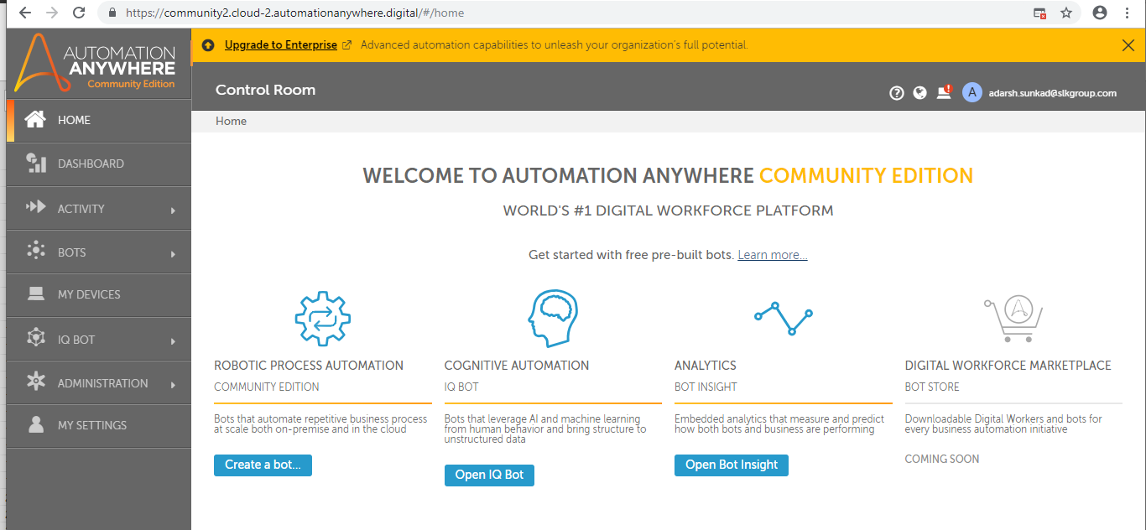
Community Edition Link
https://www.automationanywhere.com/products/enterprise/community-edition?_ga=2.216698453.238157378.1602521569-711495057.1581421643

After register login to Automation anywhere community edition

